Sheet4
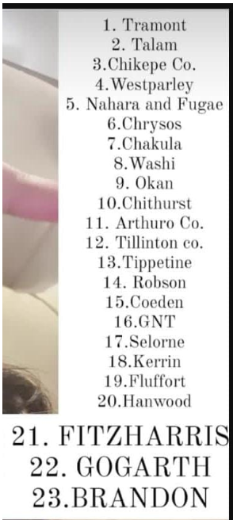

 | C |  |  |  |  |  | E |  |  |  |  |  | I
 | PAT | Dividend paid | NEW inv expd | Dividend payout % | Dividend growth | Profitability growth | PAT | Dividend paid | NEW inv expd | Dividend payout % | Dividend growth | Profitability growth | PAT | Dividend paid | NEW inv expd | Dividend payout % | Dividend growth | Profitability growth
2002.0 | 77.0 | 33.0 | 18.0 | 42.9 | 0.0% | 8.0% | 95.0 | 38.0 | 30.0 | 40.0 | 8.1% | 8.1% | 75.0 | 35.0 | 37.0 | 46.7 | 6.3% | 20.7%
2003.0 | 80.0 | 33.0 | 29.0 | 41.3 |  |  | -10.0 | 15.0 | 14.0 | -150.0 |  |  | 88.0 | 17.0 | 64.0 | 19.3
2004.0 | 94.0 | 33.0 | 23.0 | 35.1 |  |  | 110.0 | 44.0 | 42.0 | 40.0 |  |  | 118.0 | 39.0 | 75.0 | 33.1
2005.0 | 97.0 | 33.0 | 21.0 | 34.0 |  |  | 120.0 | 48.0 | 29.0 | 40.0 |  |  | 132.0 | 42.0 | 84.0 | 31.8
 |  |  | 91.0 |  |  |  |  |  | 115.0 |  |  |  |  |  | 260.0
KE | 11% |  |  |  |  |  | 14% |  |  |  |  |  | 12%
Mkt cap | 608 |  |  |  |  |  | 1042 |  |  |  |  |  | 1164
Increase in share price in last 12 months | 1% |  |  |  |  |  | 5% |  |  |  |  |  | 10%

E value | 300.0 |  |  |  |  |  | E value | 879.2 |  |  |  |  | E value | 778.3

 |  | C | E | I
E |  | 300.0 | 879.2 | 778.3
Mkt cap |  | 608 | 1042 | 1164 | 2814
Mkt cap% |  | 22% | 37% | 41%
 |  | 203% | 119% | 150%

Bennefits | A | B | C

Drawbacks

Talam-options
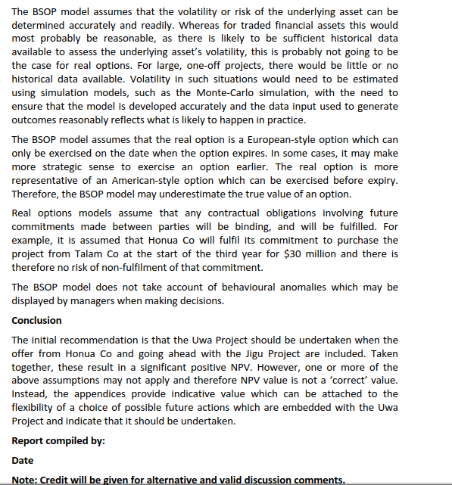
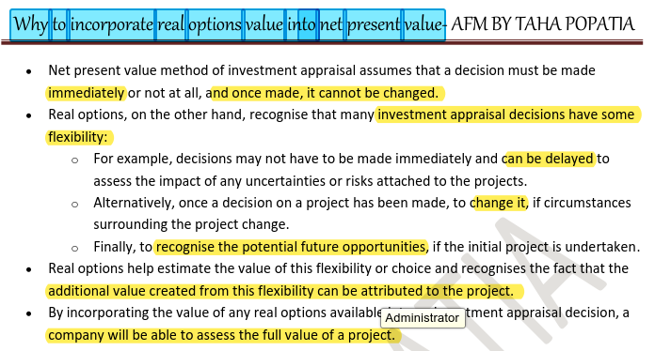

(b) Prepare a report for the board of directors (BoD) of Talam Co which:
(i) Estimates, showing all relevant calculations, the net present value of the Uwa
Project before considering the offer from Honua Co and the Jigu Project;
(12 marks)
 |  |  |  | ndard deviation of 30%.
 | $in 000
 | 0 | 1 | 2 | 3 | 4 |  | Inf%
Sale units |  | 4,300.0 | 19,200.0 | 35,600.0 | 25,400.0 |  |  |  |  | 0 | 1 | 2 | 3 | 4
SP |  | 1,200.0 | 1,296.0 | 1,399.7 | 1,511.7 |  | 8% |  | Sale revenue |  | 5160000 | 24883200 | 49828608 | 38396021.76
vc |  | (480.0) | (499.2) | (519.2) | (539.9) |  | 4% |  | Sale revenue |  | 5160 | 24883.2 | 49828.608 | 38396.02176
CM |  | 720.0 | 796.8 | 880.5 | 971.7 |  |  |  | Diff |  |  | 19723.2 | 24945.408 | -11432.58624
Total CM in 000 |  | 3,096.0 | 15,298.6 | 31,346.2 | 24,681.7 | Diff in revenue ka & lena hai to calculate WC |  |  | WC diff |  |  | -1972.32 | -2494.5408 | 1143.258624
Dep |  | (5,250.0) | (5,250.0) | (5,250.0) | (5,250.0)
Loss on sale of Machine |  |  |  |  | (7,000.0)
Training costs |  | (4,128.0) | (5,750.8) | (1,848.2) | (1,371.4) |  |  | 3
FC |  | (2,700.0) | (2,970.0) | (3,267.0) | (3,593.7) |  | 10%
PBT |  | (8,982.0) | 1,327.8 | 20,981.0 | 7,466.5
Tax @ 20% |  | 1,796.4 | (265.6) | (4,196.2) | (1,493.3) |  |  |  |  |  |  | -103.2 | -300.432 | -300.432
PAT |  | (7,185.6) | 1,062.2 | 16,784.8 | 5,973.2 | Tax savin is cash inflow |  |  |  |  |  | -2035434.24 | -7494398.8163
Dep |  | 5,250.0 | 5,250.0 | 5,250.0 | 5,250.0
Loss on sale of Machine |  |  |  |  | 7,000.0
WC | (1,032.0) | (1,972.3) | (2,494.5) | 1,143.3 | 4,355.6
Machinery | (35,000.0) |  |  |  | 7,000.0 | cost | 35,000.0
 |  |  |  |  |  | acc dep | (21,000.0)
Total CF | -36032 | -3907.92 | 3817.68 | 23178.04992 | 29578.838723 |  | (14,000.0)
Wacc= | 1.00 | 0.90 | 0.81 | 0.73 | 0.66 | sp | 7,000.0
 | -36032 | -3520.6486486 | 3098.5147309 | 16947.590337 | 19484.497246 | loss | (7,000.0)
-32285.61

-22.046335045

